Sheet1
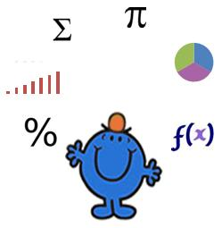
Basic NPV Calculation

Terms | Values
Value | 1000
Growth | 7%
Year | 5

NPV | 713

