Fortune

How They Grow

States with the most Inc. 500 companies.
How Much it took to get started?
They Create Jobs
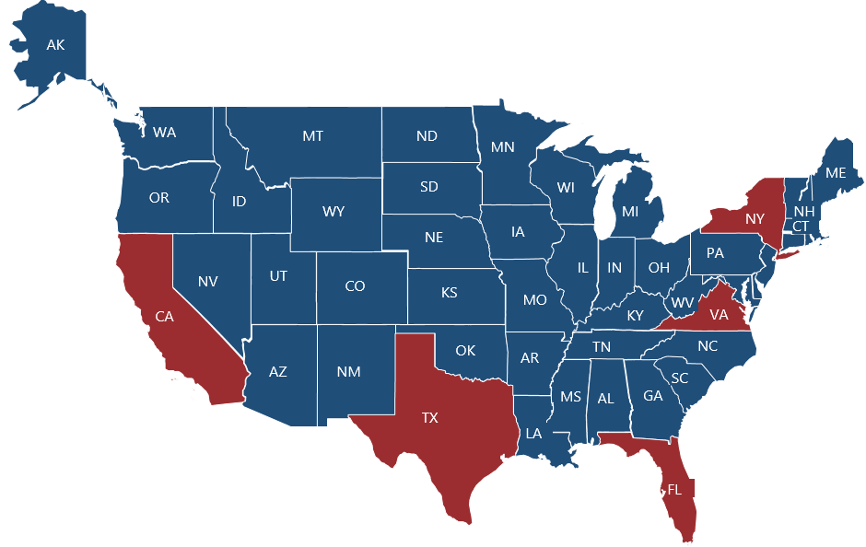
The Number employed on Avg
50-100K
46,609
> 100K | 40%
< 10K | 33%
10K - 50K | 17%
50K - 100K | 10%
10-50K

>100K
Total Combined Revenue:
$
15.8
<10K
California | 78
Florida | 40
Virginia | 38
Texas | 38
New York | 37
77%
Billion
Founded the company with their personal savings.
Percentage of Fortune 500 companies which offer...

Startup Growth ranged from.....

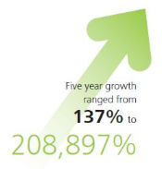
 | Bonus Plan
 | 85%
 | 15%
 | Health Ins
 | 92%
 | 8%
 | Retirement Plan
 | 66%
 | 34%

85%
Fortune 500
Vs
Inc 500
92%
66%

2009 | 22% | 45%
2010 | 23% | 50%
2011 | 23% | 37%

Health Plan
Bonus Plan
Retirement Plan

