IRR
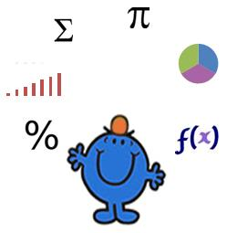
Internal Rate of Return

Desc | Data | Desc | Data
Investment | -1000 | Investment | -1000
Return | 100 | Return Yr 1 | 100
Guess | -42% | Return Yr 2 | 100
 |  | Return Yr 3 | 100
Answer | 0.000
 |  | IRR | -42%

The IRR is equal to the Guess |  | Excel's built in IRR forumla

