Output
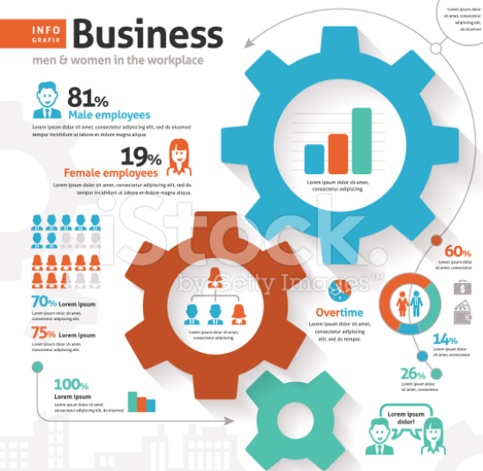
Employee Breakdown
Customer Breakdown

65%
363
136
Management
PY-1
 | Min Customers | Max Customers | Min Customers | Average Customers
 | 34 | 62 | 34 | 62
 | 6 | 93 | 6 | 80
 | 79 | 105 | 79 | 89
 | 5 | 42 | 5 | 37
 | 29 | 85 | 29 | 59
 | 1 | 82 | 1 | 80
 | 14 | 64 | 14 | 58
 | 0 | 69 | 0 | 52
 | 31 | 53 | 31 | 46
 | 4 | 49 | 4 | 45
 | 50 | 84 | 50 | 68
 | 50 | 108 | 50 | 78
 | 15 | 102 | 15 | 75
 | 56 | 89 | 56 | 80
 | 42 | 94 | 42 | 80
 | 36 | 81 | 36 | 57
 | 1 | 52 | 1 | 46
 | 31 | 128 | 31 | 97
 | 18 | 37 | 18 | 37
 | 12 | 85 | 12 | 75
 | 31 | 44 | 31 | 36
 | 53 | 62 | 53 | 56
 | 70 | 119 | 70 | 92
 | 9 | 70 | 9 | 59
 | 81 | 103 | 81 | 84
 | 28 | 91 | 28 | 73
 | 42 | 58 | 42 | 57
 | 33 | 62 | 33 | 48
 | 38 | 92 | 38 | 59
 | 33 | 49 | 33 | 33
 | 8 | 49 | 8 | 39
 | 16 | 80 | 16 | 57
 | 0 | 52 | 0 | 38
 | 88 | 102 | 88 | 95
 | 28 | 57 | 28 | 37
 | 33 | 106 | 33 | 75
 | 23 | 50 | 23 | 38
 | 38 | 67 | 38 | 62
 | 50 | 81 | 50 | 70
 | 16 | 89 | 16 | 59
 | 38 | 93 | 38 | 84
 | 14 | 42 | 14 | 41
 | 36 | 119 | 36 | 88
 | 60 | 90 | 60 | 74
 | 20 | 68 | 20 | 48
 | 50 | 83 | 50 | 50
 | 22 | 49 | 22 | 44
 | 58 | 92 | 58 | 64
 | 17 | 107 | 17 | 78
 | 63 | 110 | 63 | 85
...
New | 45%
Returning | 55%
Male Employees
Female Numbers
▼ from 72% PY as the organisation tries to address the gender imblanace.
13/14 | 502
14/15 | 563
15/16 | 675

35%

Female Employees
▲ from 28% PY as a result of actively recruiting talented women.
Males | 97 k
Females | 77 k
Customers - Moving Average
PY
New | 47%
Returning | 53%

PY
CY
 | Groups
 | 9%
 | 16%
 | 33%
 | 28%
 | 9%
 | 5%

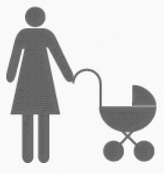
15%
18%

PY

Males | 101 k
Females | 82 k
CY
CY
New | 50%
Returning | 50%
The proportion of female employees who are currently on maternity leave.

112
13-17 | 18-25 | 26-34 | 35-44 | 45-54 | 55+
▲ from PY
Demographic Breakdown
Avg Salary

