Output
Public Transport Infographic in the Sunshine State

Issues to Consider
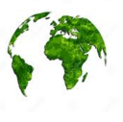
Car | 70%
Bus | 20%
Train | 10%
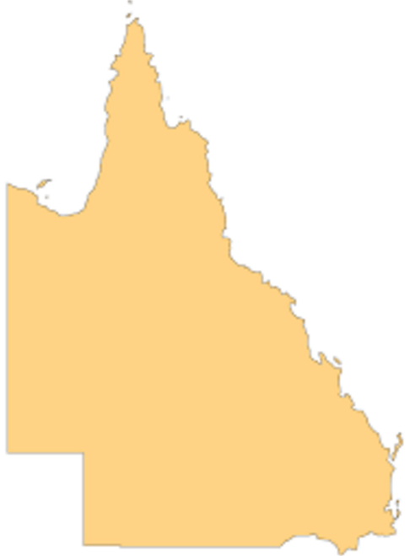
 | 29%
 | 71%
29%
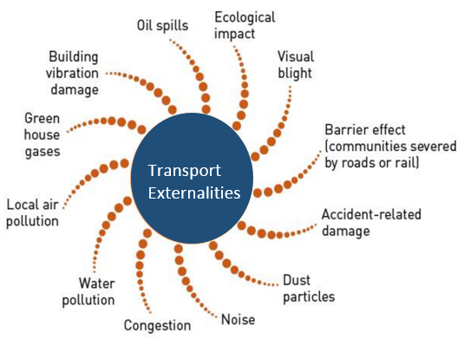
Transport Usage by Type

Oil Consumption
Increase in Bike Use

 | 55%
 | 45%
2.7 million
Tonnes pa
55%

Freight
Passenger
Track

8.4 m Tonnes
50m Trips
7,739 kms

Increase in Moped Use
 | 10
 | 11
 | 8
 | 16
 | 12
 | 15
 | 20
 | 10
 | 16
 | 12
 | 15
 | 45
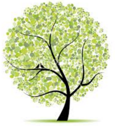
It's the Greener Way to Travel
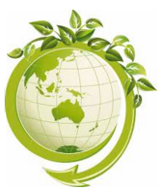
Car | 100
Bus | 15
Train | 8
Emissions Per Passenger
 | Growth
Car | 65%
Bus | 20%
Train | 15%
65%

20%

15%
Public Transport Needs to Grow

Journey Growth

2011 | 269
2010 | 249
2009 | 331
2008 | 328
2007 | 360
2006 | 335
2001 | 334

85%
75%

15%

Road Toll in QLD
Target for Road Travel
Customer Satisfaction Public Transport

All figures used should be viewed as for demonstration only.

